Dissassembly
PT SAPTAINDRA SEJATI
PLANT REBUILD CENTER

DISASSEMBLY CHECK SHEET |  |  |  |  |  | WO NUMBER |  |  |  |  |  | DOCUMENT NO
REAR SUSPENSION |  |  |  |  |  | COMP.MODEL |  |  |  |  |  | PUBLIC DATE
 |  |  |  |  |  | COMP.S/N |  |  |  |  |  | REVISION NO
HD785-7 |  |  |  |  |  | UNIT MODEL |  |  |  |  |  | PAGE

PROCESS |  | START |  |  |  |  |  | DISASSEMBLY BY
 |  | FINISH

NO | PART TO REMOVE OR INSPECT |  | CONDITION TOBE INSPECTED |  |  |  |  | REUSE | SALVAGE | REPAIR | SKETCH DRAWING OR PHOTHOES

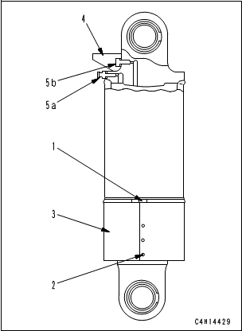
1 | Cylinder Rod Assembly
 |  |  |  |  | IMPORTANT
 |  |  |  | Take care not to damage the rod packing, dust seal, piston ring, wear ring, etc.

 |  |  | • | Loosen clamp (1), undo buttons (2), and remove guard (3).

 |  |  | • | Remove cover (4), air intake valve (5a), and oil level valve (5b).

 |  |  | • | Drain the cylinder oil.
 |  |  |  |  | Cylinder : 16.5 l

 |  |  | • | Erect the cylinder assembly upside down.

 |  |  | • | Remove the mounting bolt of retainer (6).

 |  |  | • | Slowly sling and remove cylinder rod assembly (7), retainer (6) and flange (8) together from cylinder (9).
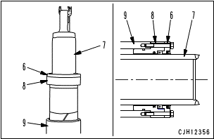
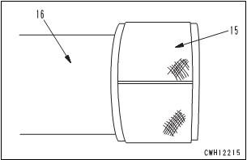
 |  |  |  | (Check Cylinder for damage, crack, scratch, and wear)

 |  |  | • | Remove retainer (6) and flange (8) from cylinder rod assembly (7).

 |  |  | • | Remove wear ring (15) from rod (16).
 |  |  |  | (Check rod for damage, scratch, and wear)

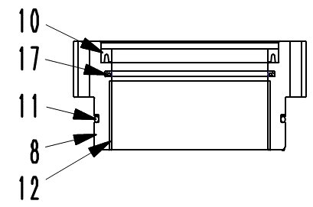
2 | Flange
 |  |  | • | Remove U-packing (10).

 |  |  | • | Remove buffer ring (17).

 |  |  | • | Remove backup ring and O-ring (11).

 |  |  | • | Remove bushing (12) from flange (8).
 |  |  |  | (Check Flange for damage, scratch, and wear)

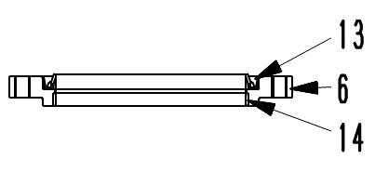
3 | Retainer
 |  |  | • | Remove seal (13).

 |  |  | • | Remove bushing (14) from retainer (6).
 |  |  |  | (Check Retainer for damage, scratch, and wear)

NOTE:

 | DISSASSEMBLY BY |  |  |  |  |  | INSPECTED BY |  |  |  |  |  | APPROVED BY

 | MECHANIC |  |  |  |  |  | QA(QUALITY ASSURANCE) |  |  |  |  |  | GL/SPV PRODUCTION

Assembly
PT SAPTAINDRA SEJATI
PLANT REBUILD CENTER

ASSEMBLY CHECK SHEET |  |  |  |  |  |  | WO NUMBER |  |  |  |  |  |  |  | DOCUMENT NO
REAR SUSPENSION |  |  |  |  |  |  | COMP.MODEL |  |  |  |  |  |  |  | PUBLIC DATE
 |  |  |  |  |  |  | COMP.S/N |  |  |  |  |  |  |  | REVISION NO
HD785-7 |  |  |  |  |  |  | UNIT MODEL |  |  |  |  |  |  |  | PAGE

PROCESS |  |  | START |  |  |  |  |  |  |  |  | ASSEMBLY BY
 |  |  | FINISH

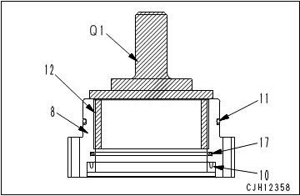
NO | PART TO INSTALL OR FIT |  |  | CONDITION TOBE ASSAMBLY |  |  |  |  |  |  | SPECIFICATION | SIGNATURE |  | SKETCH DRAWING OR PHOTHOES
 |  |  |  |  |  |  |  |  |  |  |  | MECH | GL/QA
1 | Flange
 |  |  |  |  |  | IMPORTANT
 |  |  |  |  | Clean all the parts and check them for dirt or damage. Coat their sliding surfaces with engine oil before installing.

 |  |  |  | • | Install bushing (12) to flange (8). |  |  |  |  |  | Press fit

 |  |  |  | • | Install U-packing (10).
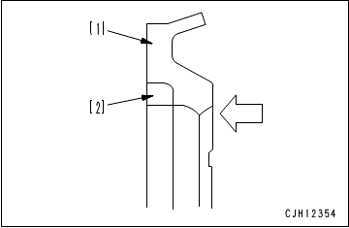
 |  |  |  |  | Apply rust-preventive oil to part "A" on the periphery of the U-packing (NISSEKI P1300 or equivalent).

 |  |  |  | • | Install buffer ring (17).

 |  |  |  |  | Buffer ring (17) is divided into 2 pieces. Set the round side of [2] (black) into [1] (blue).

 |  |  |  | • | Install backup ring and O-ring (11) to flange (8).

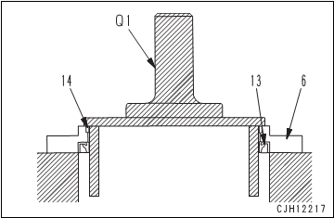
2 | Retainer
 |  |  |  | • | Install bushing (14) to retainer (6). |  |  |  |  |  | Press fit

 |  |  |  | • | Install seal (13) to retainer (6).
 |  |  |  |  |  | Periphery of seal: Adhesive (LT-2)

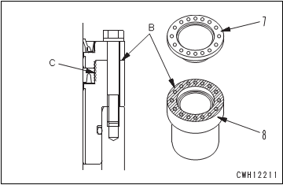
3 | Cylinder Rod Assembly
 |  |  |  | • | Install flange (8) and retainer (6) to cylinder rod assembly (7).

 |  |  |  |  |  | Mating faces of flange and retainer:
 |  |  |  |  |  |  |  | Gasket sealant (LG-6)


 |  |  |  |  | Apply the gasket sealant evenly to hatched part (B) and apply it thinly to U-packing (C) so that it will not be projected.

 |  |  |  | • | Erect cylinder (9).

 |  |  |  | • | Install wear ring (15) to rod (16).

 |  |  |  | • | Install cylinder rod assembly (7) together with retainer (6) and flange (8) to cylinder (9).

 |  |  |  |  | Be careful not to damage the packings, dust seals, and O-ring when assembling.

 |  |  |  | • | Install mounting bolts of retainer (6).
 |  |  |  |  |  | Mounting Bolt : |  | Act: |  | Kgm | 18 ± 2 kgm

 |  |  |  | • | Install oil level (5) and air intake valve (4).
 |  |  |  |  |  | Air intake valve : |  | Act: |  | Kgm | 4 – 5 kgm

 |  |  |  |  |  | Oil level valve : |  | Act: |  | Kgm | 4 – 5 kgm

 |  |  |  | • | Install cover (3).

 |  |  |  | • | Install guard (3) and fix button (2) to tighten clamp (1).

 |  |  |  |  |  | Clamp: |  | Act: |  | Kgm | 0.7 ± 0.05 kgm

 | ASSEMBLY BY |  |  |  |  |  |  |  | INSPECTED BY |  |  |  |  |  |  | APPROVED BY

 |  | MECHANIC |  |  |  |  |  |  | QA(QUALITY ASSURANCE) |  |  |  |  |  |  | GL/SPV PRODUCTION

Measuring
PT SAPTAINDRA SEJATI
PLANT REBUILD CENTER

MEASUREMENT CHECK SHEET |  |  |  |  |  | WO NUMBER |  |  |  |  |  |  | DOCUMENT NO
REAR SUSPENSION |  |  |  |  |  | COMP.MODEL |  |  |  |  |  |  | PUBLIC DATE
 |  |  |  |  |  | COMP.S/N |  |  |  |  |  |  | REVISION NO
HD785-7 |  |  |  |  |  | UNIT MODEL |  |  |  |  |  |  | PAGE

PROCESS |  |  | START |  |  |  |  |  | MEASUREMENT BY
 |  |  | FINISH

NO | PART TO MEASURING OR INSPECT |  |  | STANDARD VALUE TABLE

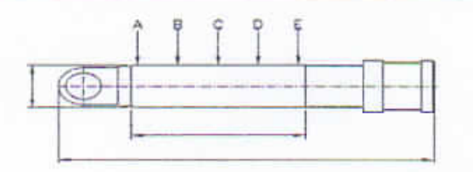
1 | Rod

 |  |  |  |  | Rod Cylinder
 |  |  |  |  | Items Check |  | Unit | Gauge No. |  | Standard |  |  |  | Actual Data |  |  |  |  |  | Result
 |  |  |  |  |  |  |  |  |  | Nominal | Min | Max |  | A | B |  | C | D | E
 |  |  |  |  | Out Diameter | x-x' | mm |  |  | Ø210 (f7) | - 0.05 | - 0.10
 |  |  |  |  |  | y-y' | mm
 |  |  |  |  | Chrome Thickness |  | µm |  |  |  | 30 | 250
 |  |  |  |  | Chrome Hardness |  | Hrc |  |  |  | 50 | 65
 |  |  |  |  | Round Out |  | mm |  |  |  | Max 0.5
 |  |  |  |  | Bending |  | mm/M
 |  |  |  |  | Roughness |  | µm |  |  |  | Max 0.2
 |  |  |  |  | L. Rod |  | mm
 |  |  |  |  | L. Chrome |  | mm
 |  |  |  |  | L. Center |  | mm
 |  |  |  |  | L. Total |  | mm
 |  |  |  |  | Visual |  | No Scratch, No Pinhole
 |  |  |  |  | Recommendation
 |  |  |  |  | Note : Result = Good/No Good

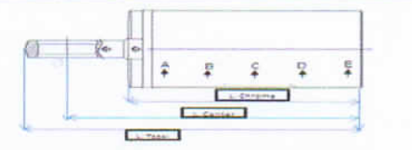
2 | Cylinder

 |  |  |  |  | Tube Cylinder
 |  |  |  |  | Items Check |  | Unit | Gauge No. |  | Standard |  |  |  | Actual Data |  |  |  |  |  | Result
 |  |  |  |  |  |  |  |  |  | Nominal | Min | Max |  | A | B |  | C | D | E
 |  |  |  |  | Inside Diameter | x-x' | mm |  |  | Ø250 (H10) | 0.00 | 0.19
 |  |  |  |  |  | y-y' | mm
 |  |  |  |  | Roughness |  | µm |  |  |  | Max 0.3
 |  |  |  |  | OD Tube |  | mm
 |  |  |  |  | L. Tube |  | mm
 |  |  |  |  | L. ID Tube |  | mm
 |  |  |  |  | L. Center |  | mm
 |  |  |  |  | L. Total |  | mm
 |  |  |  |  | Visual |  | No Scratch, No Pinhole
 |  |  |  |  | Recommendation
 |  |  |  |  | Note : Result = Good/No Good

 | NOTE

 |  |  |  |  |  |  |  |  |  |  |  |  |  |  |  |  |  |  |  |  | s

 |  | MECHANIC |  |  |  |  |  | QA(QUALITY ASSURANCE) |  |  |  |  |  |  |  | GROUP LEADER (GL)

